MLOps
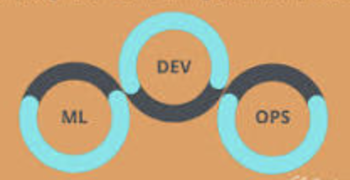

1. Intro of MLOps
2. Experiment Tracking and Model Registry
3. Orchestration Engine
4. Model Deployment
5. Monitoring Machine Learning Model in Production
6. Best Practice

